Sheet1
XLOOKUP |  | Category | Region | Sub-category | Profit | Sales
(lookup_value, lookup_array, return_array, [if_not_found], [match_mode], [search_mode]) |  | Furniture | East | Book cases | £5,678 | £5,678
Use named ranges in formulas |  | Office Suplies | West | Appliances | £241 | £241
Test XLOOKUP |  | Technology | South | Accessories | £5,611 | £3,113
XLOOKUP("Appliances", Sub_category,Profit) | £241 | Art | North | Paintings | £822 | £27,118
 |  | Craft | North-East | Staplres | £200 | £300
INDEX
2D Lookup |  | column array = Months
(array, row_num, [col_num]) |  | Categories | FEB | APR | MAY |  | Categories | Month | Amount - INDEX and MATCH
Test INDEX |  | Chairs | £2,114 | £4,085 | £5,678 |  | Chairs | FEB | 2114
INDEX(H2:L5,2,2) | West | Labels | £1,456 | £4,273 | £241 |  | Storage | MAY | 3113
 |  | Storage | £896 | £3,678 | £3,113
 |  | rows array = Categories | array = Sale

 |  | Ownership | Channel | Salesss | Profitss |  | Channel | Salesss-VLOOKUP | Ownership-XLOOKUP
 |  | Amma | Online | 100 | 5 |  | Online | 100 | Amma
 |  | Appa | Shop | 150 | 7.5 |  | Shop | 150 | Appa
 |  | Akka | Franchise | 200 | 10 |  | Franchise | 200 | Akka
MATCH |  | Anna | Petrol Station | 250 | 12.5 |  | Petrol Station | 250 | Anna
2D Lookup |  | Ammamma | App | 300 | 15 |  | App | 300 | Ammamma
Finds witch row and column to reference |  | Appappa | Web | 350 | 17.5 |  | Web | 350 | Appappa
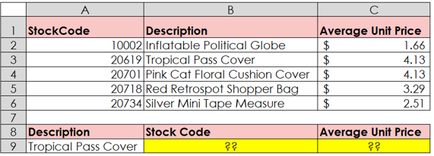
(lookup_value, lookup_array, [match_type])
Test MATCH
MATCH("Labels", Categories,0) - Row | 2
MATCH("MAY", MOnths,0) - Column | 3

Combine INDEX and MATCH | Remember to lock references
INDEX(array, MATCH(rows), MATCH(columns)
Test Combine INDEX and MATCH
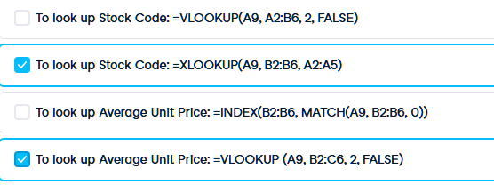
INDEX(Sale,MATCH("Labels",Categories,0),MATCH("APR",Months,0)) | £4,273.00
 | Sale value Labels in April

OFFSET |  | Week |  | APR | MAY | JUN
(reference, rows, columns, [height], [width]) |  |  | Sales | 1 | 3 | 5
OFFSET(D34, 1,4) | 6 | APR | Profit | 2 | 4 | 6

Combine OFFSET and MATCH
Profit of Month (DropDown) = OFFSET (D34, 1, MATCH(D35, Months,0)) | 2

